VD1
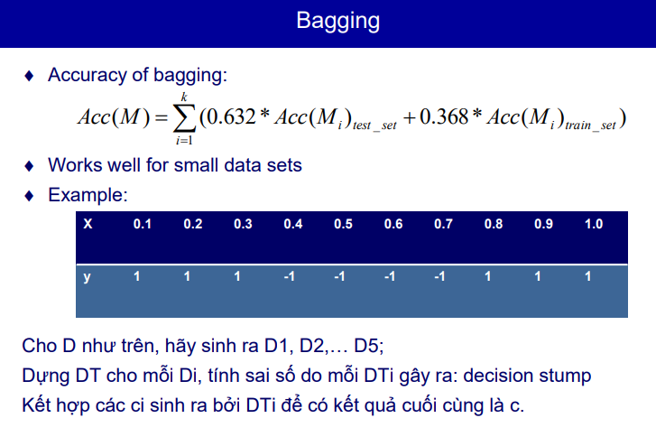
D | x | 0.1 | 0.2 | 0.3 | 0.4 | 0.5 | 0.6 | 0.7 | 0.8 | 0.9 | 1
 | y | 1 | 1 | 1 | -1 | -1 | -1 | -1 | 1 | 1 | 1 |  | Error | Acc
D1 | x1 | 0.1 | 0.1 | 0.3 | 0.5 | 0.5 | 0.6 | 0.7 | 0.8 | 0.9 | 0.9 | X=0.4 | Error = 30% | Acc = 70%
 | y1 | 1 | 1 | 1 | -1 | -1 | -1 | -1 | 1 | 1 | 1
D2 | x2 | 0.3 | 0.3 | 0.3 | 0.4 | 0.5 | 0.5 | 0.7 | 0.7 | 0.9 | 0.9 | X=0.35 | Error = 20% | Acc = 80%
 | y2 | 1 | 1 | 1 | -1 | -1 | -1 | -1 | -1 | 1 | 1
D3 | x3 | 0.2 | 0.3 | 0.3 | 0.4 | 0.6 | 0.6 | 0.8 | 0.9 | 0.9 | 1 | X=0.65 | Error = 30% | Acc = 70%
 | y3 | 1 | 1 | 1 | -1 | -1 | -1 | 1 | 1 | 1 | 1
D4 | x4 | 0.1 | 0.2 | 0.3 | 0.4 | 0.4 | 0.7 | 0.7 | 0.9 | 0.9 | 1 | X=0.35 | Error = 30% | Acc = 70%
 | y4 | 1 | 1 | 1 | -1 | -1 | -1 | -1 | 1 | 1 | 1
D5 | x5 | 0.1 | 0.1 | 0.1 | 0.3 | 0.3 | 0.6 | 0.7 | 0.7 | 0.7 | 0.9 | X=0.5 | Error = 10% | Acc = 90%
 | y5 | 1 | 1 | 1 | 1 | 1 | -1 | -1 | -1 | -1 | 1
0.4
<0.4
>=0.4
0.4
0.1
0.1
0.3
0.5
0.5
0.6
0.7
1
1
1
-1
-1
-1
-1
0.4
0.8
0.9
0.9
1
1
1
 |  |  |  |  |  |  |  |  |  |  |  | TB | Error = 24% | Acc = 76%
D1

